Charts Sheet
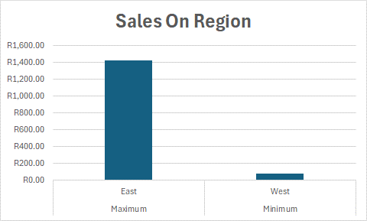
Analysis For XYZ Retail Store
Attendence for month
 | Attendence for month
John | 0
Emily | 0
Micheal | 0
Williams | 0
David | 0
Maria | 0
James | 0
Jessica | 0
Daniel | 0
Olivia | 0
Sales Data
 | Unit Price | Total Sales
Total | R2,274.00 | R4,404.50
Maximum | R750.00 | R1,425.00
Minimum | R20.00 | R76.50
Average | R227.40 | R440.45

